Sheet1
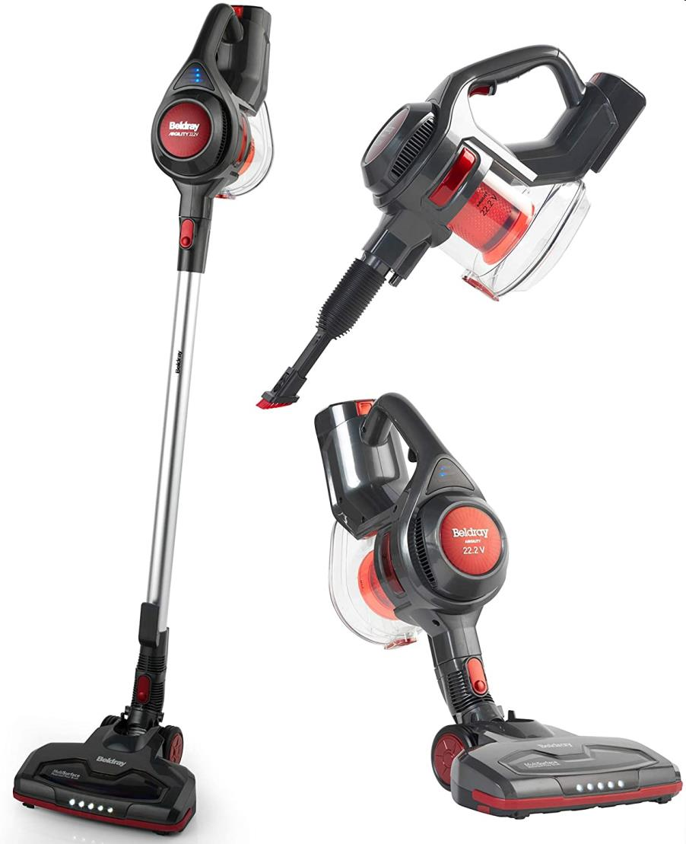
Picture | Item code | Description | Extra information | Restriction | Stock | Sales price EXW | Retail price | Barcode | Quantity PU | Quantity pallet | Pallet | Origin | Customs code | Item weight | Languages on package | Group
 | S-10600 | BELDRAY AIRGILITY CORDLESS VAC | BELO776NV2-VDEEU7 |  | 511 | 56.9 | 196 | 5054061104394 | 3 | 24 | Europallet 120x80 |  |  | 3467 |  | BELDRAY AIRGILITY CORDLESS VAC

